All Courses
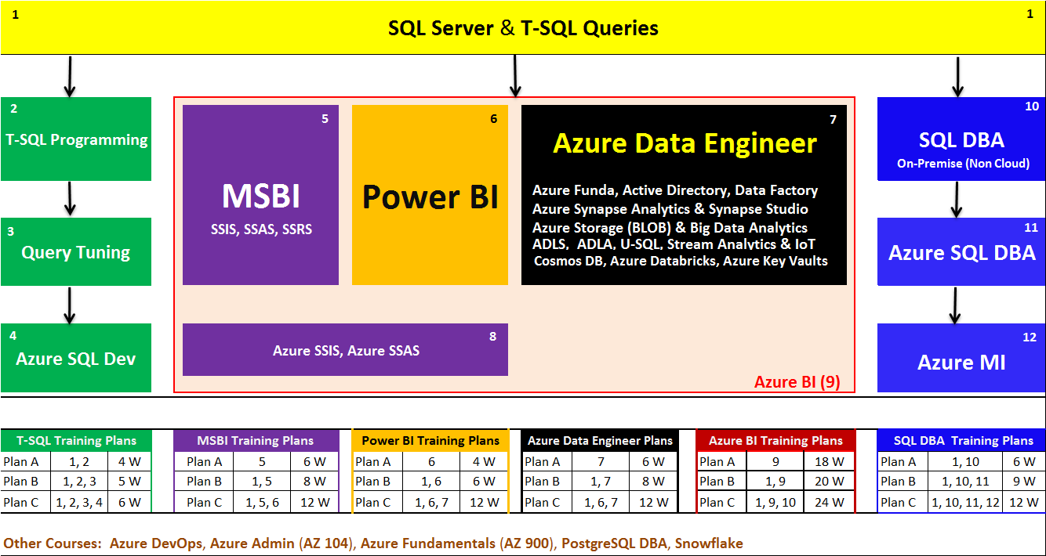

LabPlan
 |  | Data Sources
Excel, CSV, TSV, TXT, DAT, PDF, Avro, Parquet, Json, etc.. |  |  | SQL Server, MS Access, Azure SQL DB, OLAP, etc..

Gateway
7
1
8
Power BI Desktop |  |  | Power BI Cloud
Interactive Report
Reports

2
Paginated Report
Power BI Report Builder
Datasets,
Workbooks, Data Flows, Others
Dashboards

3
Analytical Report
Apps
Excel (Analytical Add-Ins)

Tenant
Interactive Report
4
9
Power BI Desktop RS |  |  | Power BI Report Server

5
Paginated Report
Report DB
Report
Microsoft Report Builder

Report
TempDB
6
Mobile Report
Report
Mobile Report Publisher

MS POWER BI REPORT BUILDER: | https://www.microsoft.com/en-us/download/confirmation.aspx?id=58158

MS Data Platform Work Flow
SQL DB
DWH
Azure Storage
ADB JOBS
ADLA Jobs
Cubes

Cosmos DB
Azure AD
ADF Pipelines

Azure SQL DB

RDLs
Synapse
Models

APIs

 | SQL Dev | MSBI | DP 203 | Data Engineer

Power BI
(DA 100)

Az Data Engg
 |  |  |  |  |  |  |  |  |  |  | AZURE
 |  |  |  | STORAGE
YOUR PC |  |  |  |  |  | BLOB Storage |  |  | COSMOS DB

 | SQL Server
 |  |  |  |  |  | ADLS GEN 1 |  |  | SYNAPSE (DWH)

 | SSMS TOOL
 |  |  |  |  |  |  |  | DBFS
Access Keys, SAS Keys
TENANT
TENANT
 | VISUAL STUDIO

 | COSMOS MIGR |  |  | ETL
 |  |  |  |  |  | ADLA |  |  | AZURE DATA FACTORY

 | STORAGE EXPL
 |  |  |  |  |  | STREAM ANALYTICS |  |  | DATABRICKS CLUSTERS

 | DMA TOOL

TENANT
app.powerbi.com
Power BI

Options | Primary Skillset |  | Secondary Skillset |  | OPT TECH |  | CERTIFICATION(S) |  | PROFILE TYPE | Course Plan
Option 1 | Power BI | SQL |  |  |  |  | DA 100 |  | FRESHERS | Power BI Plan B
Option 3 | Power BI | SQL | MSBI (SSIS, SSAS, SSRS) |  | AZ Fundamentals |  | DA 100 + AZ 900 |  | 2+ EXP | MSBI Plan C
Option 4 | Power BI | SQL | AZURE DATA ENGINEER |  |  |  | DA 100 + DP 203 |  | 3+ EXP | Power BI Plan C
Option 5 | Power BI | SQL | AZURE BI |  |  |  | DA 100 + DP 203 |  | 4 OR 5+ EXP | Azure BI Plan B

